Using shared data
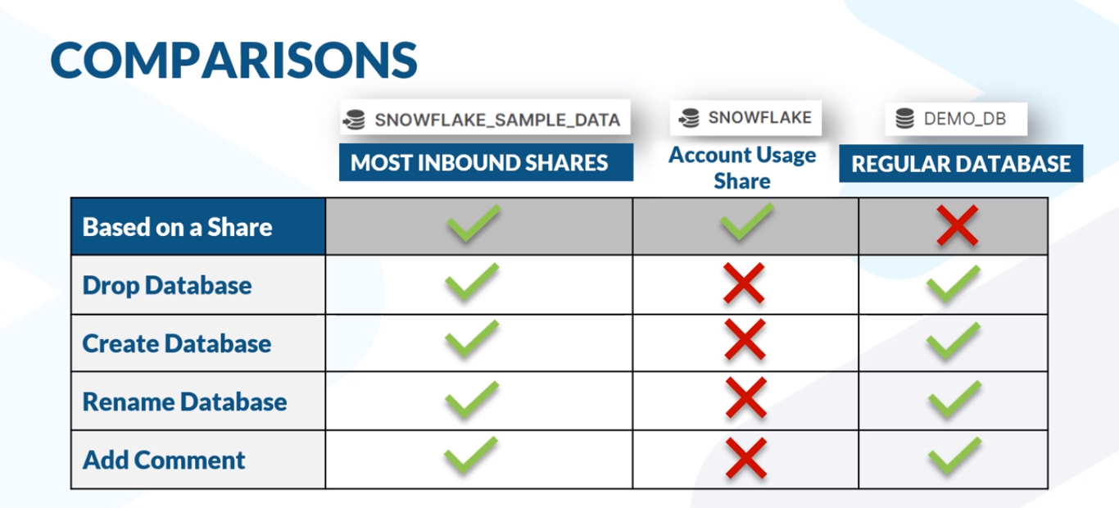
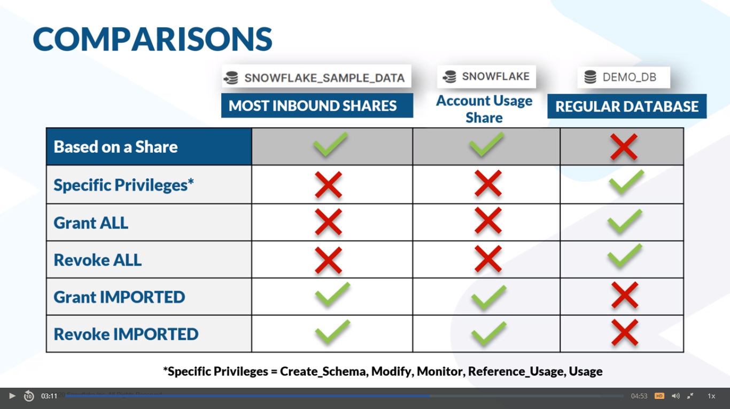

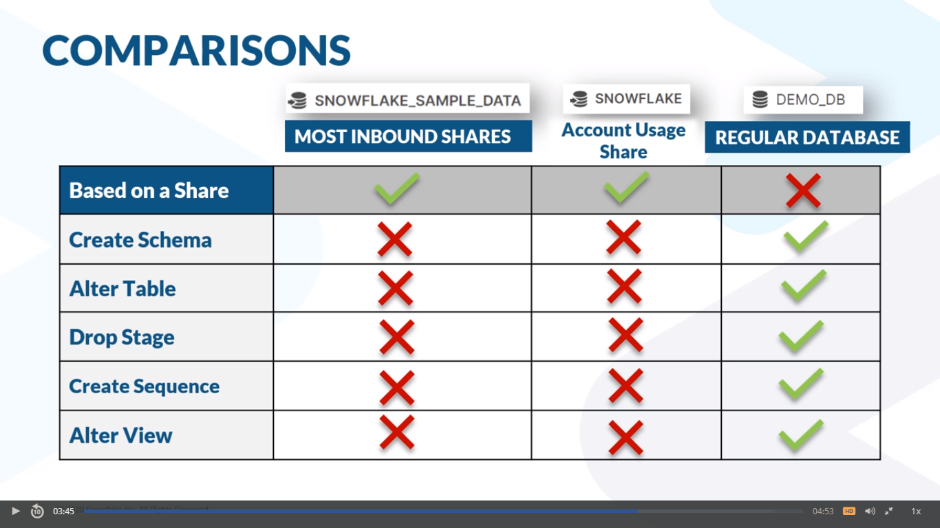

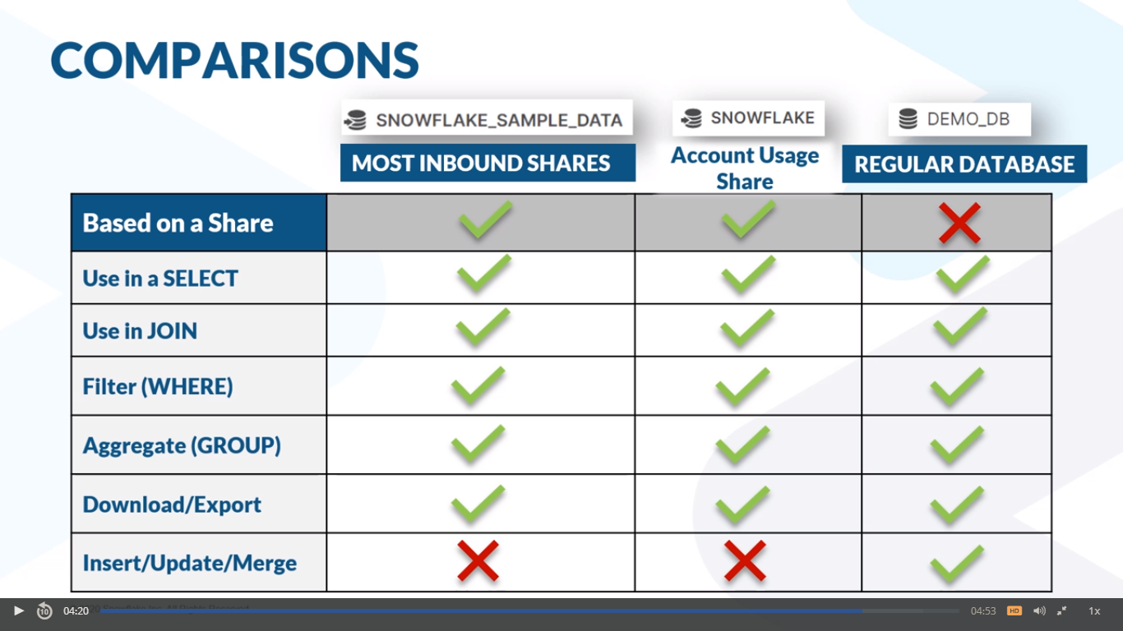

Reader account
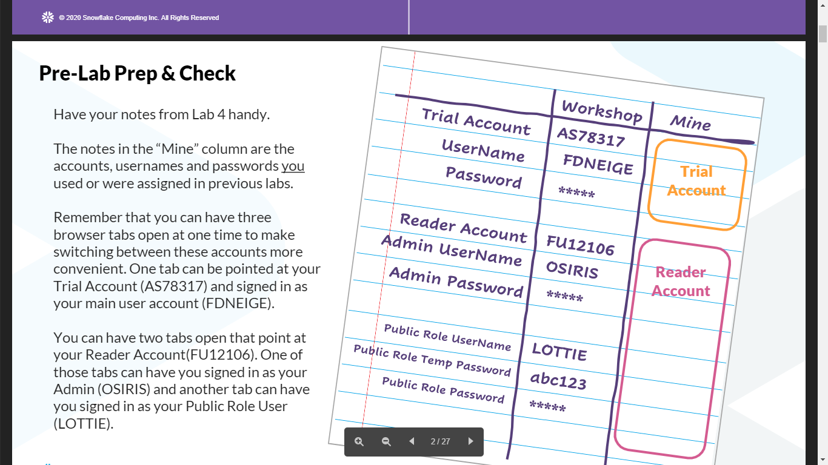
Account URL: https://ty69023.ap-southeast-1.snowflakecomputing.com
Locator: TY69023

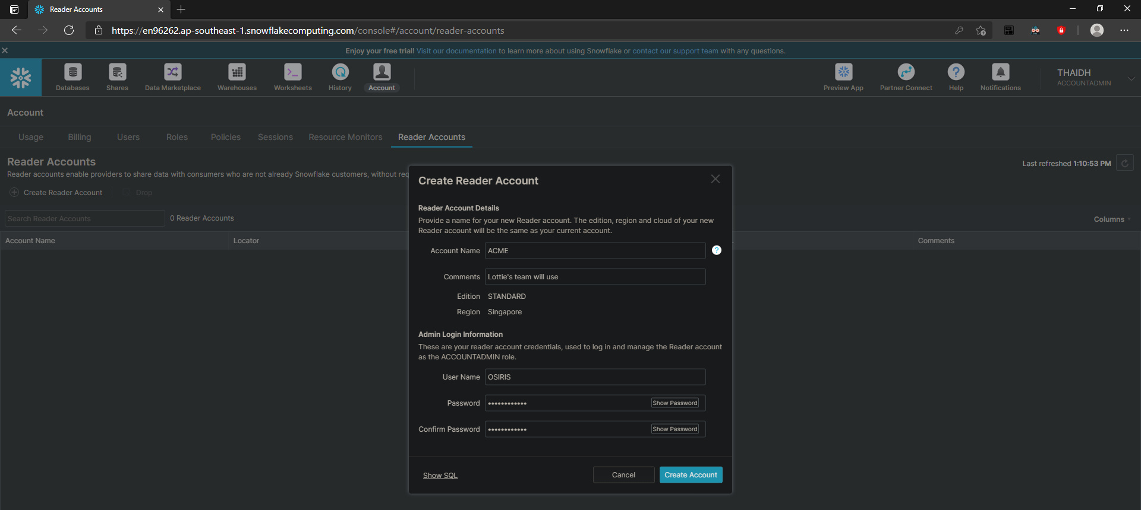
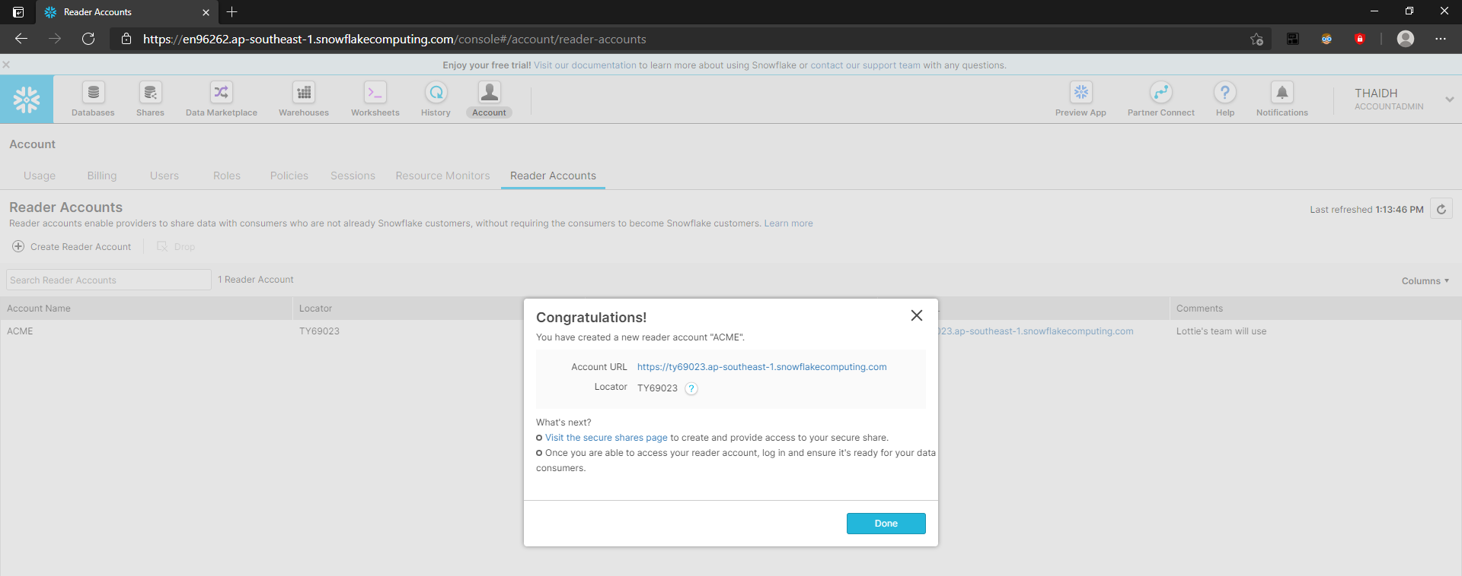

OSIRIS
&Dht24111997

LOTTIE
&Dht24111997

Reader and full account
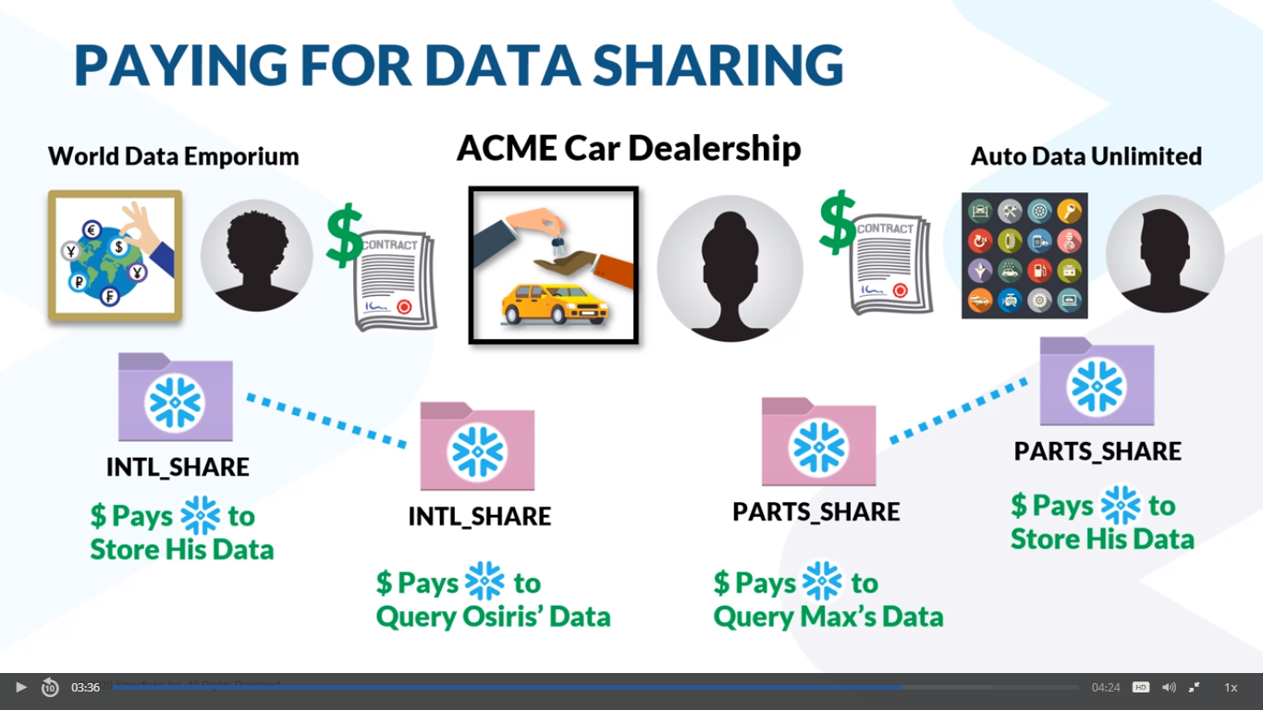

Sheet2
To be listed on the Marketplace, data must meet five criteria

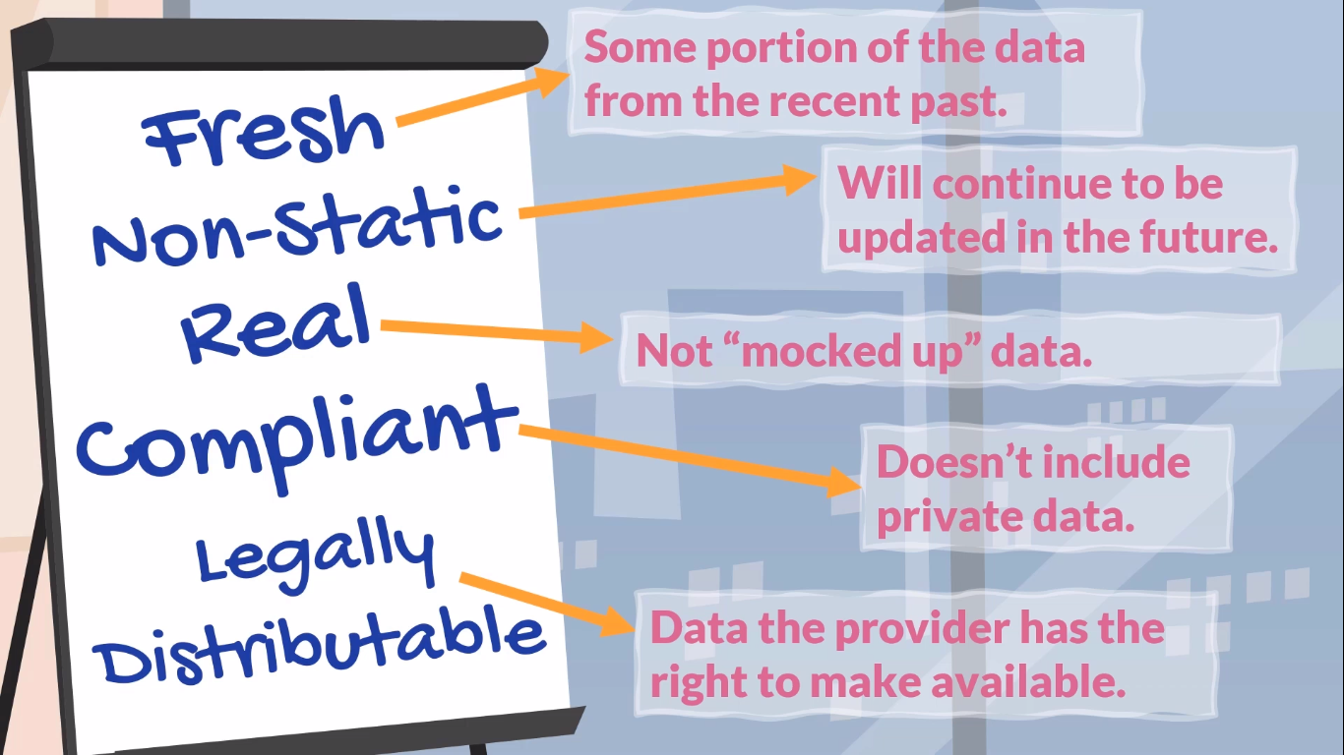

The Snowflake Data Marketplace had listings of two types
 | Standard | non-proprietary data set
 |  | free
 |  | data's upkeep becomes a service
 |  | data as a free service can generate leads

 | Personalized

